Instructions
Instructions

Please, fill out the sheet "General" in this document with the general information on your company
This questionnaire covers the following uses:

Sheet 1 | Producers and distributors of architectural membranes
Sheet 2 | Permanent roofs and facades including ETFE (stadiums, car parks, etc.) | 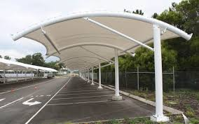 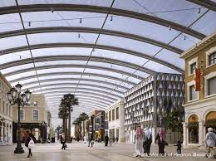 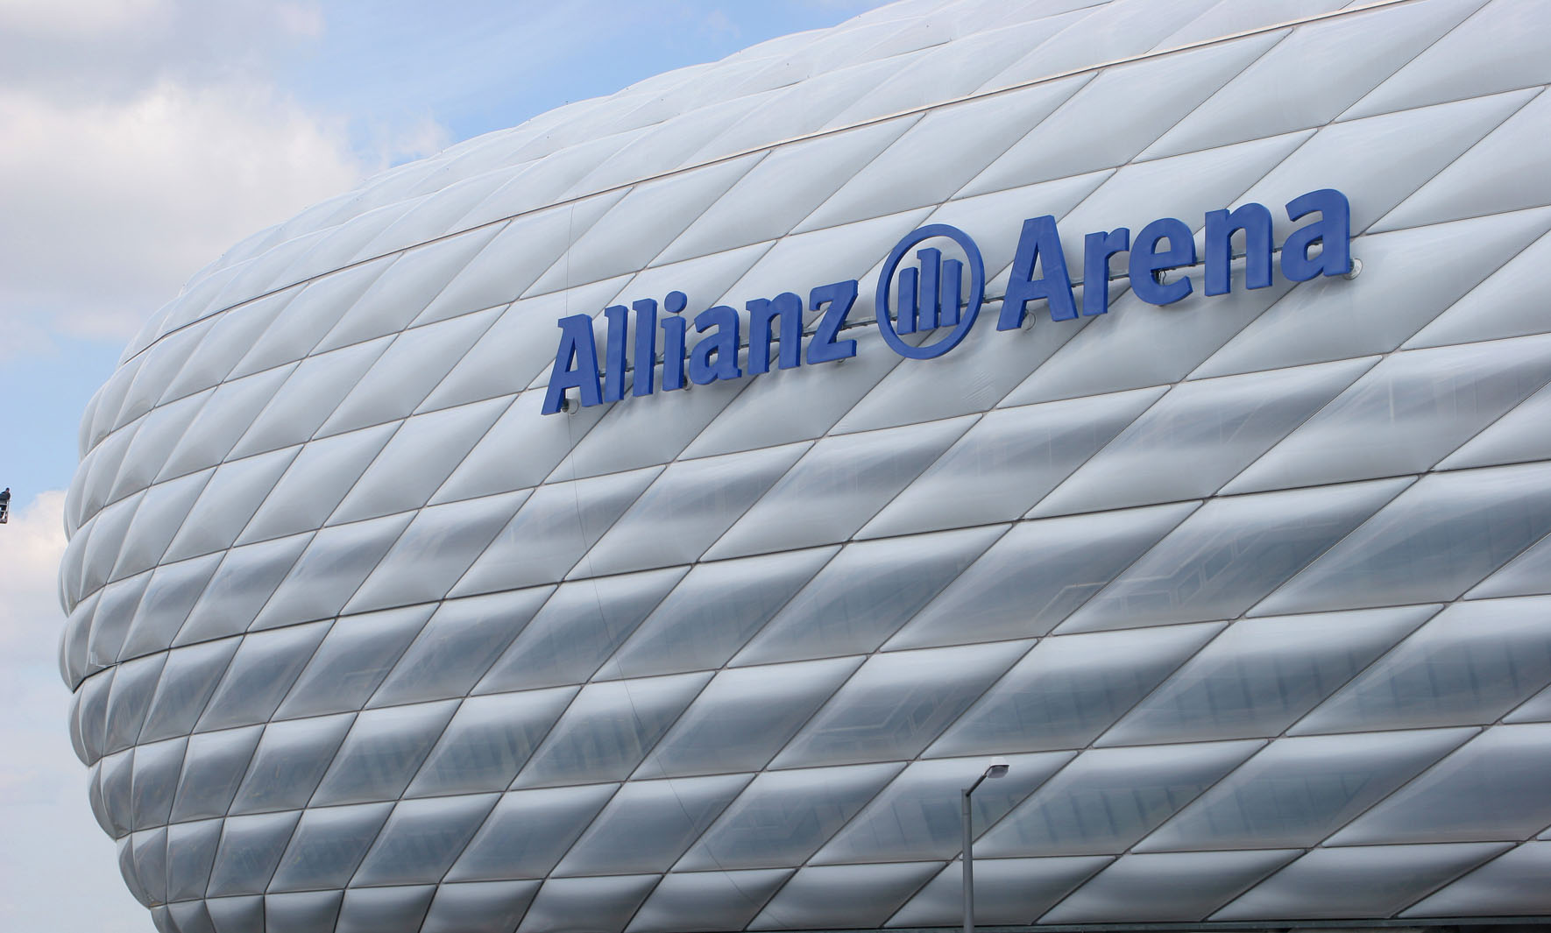
Sheet 3 | Permanent halls | 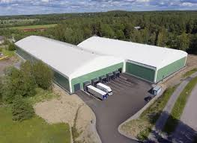 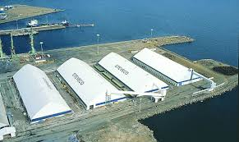 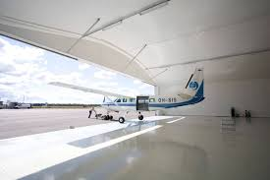 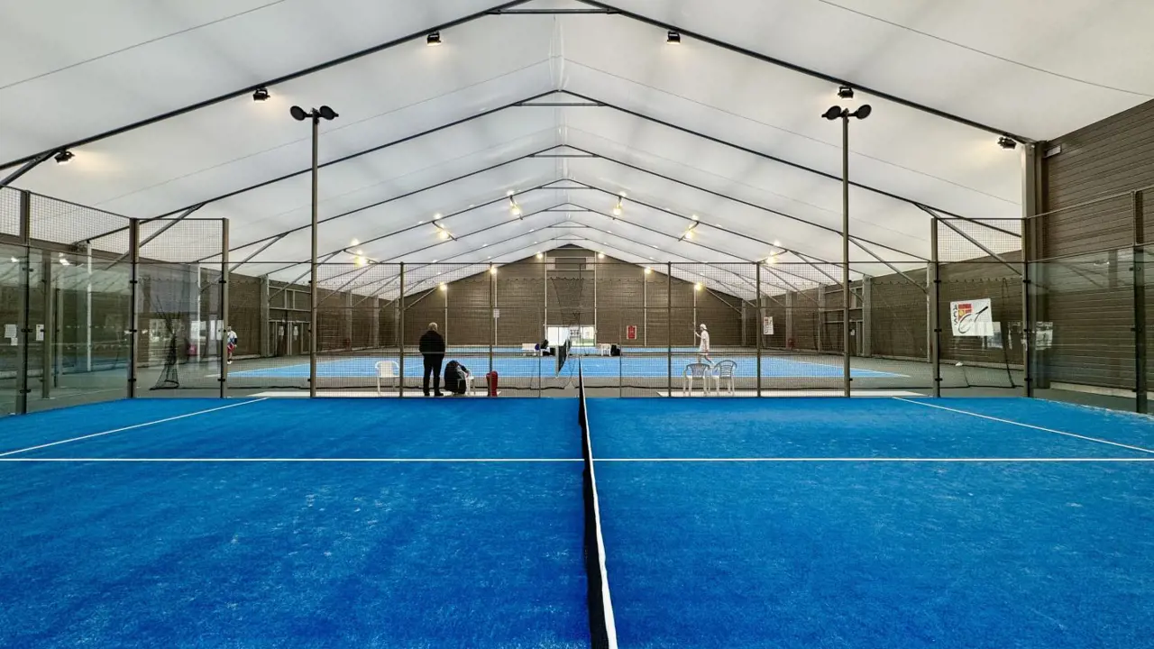
Sheet 4 | Relocatable modular halls | 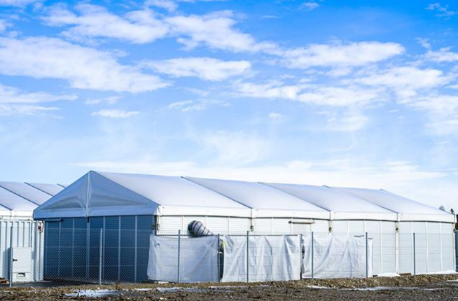  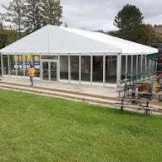
Sheet 5 | Other: please describe your use in Sheet 5

Please, fill out column D of the sheet in this document describing your use.
Please do not create new columns or rows within any of these sheets.
Once filled out, send the document to:

 | Jaime Sales | j.sales@chemservice-group.com
 | Francisco Hernandez | f.hernandez@chemservice-group.com

Please Return this questionnaire no later than Friday, March 20th 2026, to assure a timely development of the TensiNet response to SEAC.
We may contact after reception and evaluation for clarification related to your input.
If you encounter any problems while completing this document, please contact the persons listed above

Confidentiality of the information

Chemservice guarantees the confidentiality of all information that is received.
Your replies will not be shared with TensiNet nor any other third party.
Individual replies will not be used for the development of the TensiNet response to the SEAC consultation.
Only aggregated information and generic statements based on the summary of the total replies received will be used.
In case individual comments from respondents are necessary for a clear description of specific topics, these will be anonymised with no possibility to identify the origin of the reply upon prior notice and approval by the respondent.
Chemservice is ready to use its standard Non-Disclosure Agreement with third parties that may regard this necessary

